Calculation
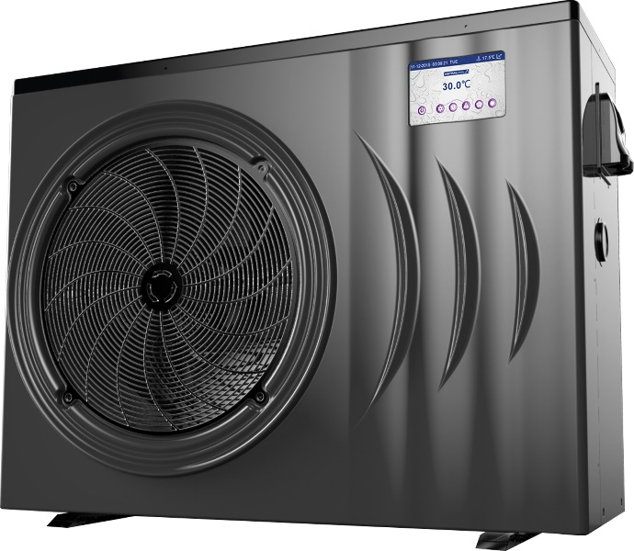
Heat Pump Sizing Guide
Prepared for:
Date:

Step 1 | Select (nearest) Location |  | Sydney

Step 2 | Enter Swimming Pool Dimensions |  | Metres
 |  | Average Length | 12

 |  | Average Width | 4.5

 |  | Average Depth | 1.35

 |  | Litres | 72,900

Step 3 | Enter Desired Swimming Temperature |  | 28
 |  |  |  |  | No Cover | With Cover
Step 4 | Select your type of Swimming Season |  | All Year Round |  | kW | kW
 |  |  |  | Jan | 431 | 259
 |  | kW Required to Raise Water Temperature |  | Feb | 423 | 254
 |  |  |  | Mar | 558 | 335
 |  |  |  | Apr | 812 | 487
 |  |  |  | May | 1159 | 695
 |  |  |  | Jun | 1353 | 812
 |  |  |  | Jul | 1446 | 868
 |  |  |  | Aug | 1311 | 786
 |  |  |  | Sep | 1066 | 639
 |  |  |  | Oct | 795 | 477
 |  |  |  | Nov | 617 | 370
 |  |  |  | Dec | 499 | 299

 | Recommended Heat Pump Model ** |  |  | AstralPool 47.0 KW Commercial
 | Recommended Heat Pump Model (With Cover) ** |  |  | Inverter Heat Pump iHP242 or Inverter Top iHPT246
** Recommended model is based on heat maintenance only. Additional time or kW required for initial / start of season heat up of your pool or spa

Heating Cost
Step 5 | Enter Power Cost (cents per kW hour) |  | 28.0

 |  |  |  |  | No Cover | With Cover
 |  |  |  | Jan | $7.25 | $4.35
 | Daily Cost to maintain Temperature |  |  | Feb | $7.10 | $4.26
 |  |  |  | Mar | $9.38 | $5.63
 |  |  |  | Apr | $13.64 | $8.18
 |  |  |  | May | $24.33 | $14.60
 |  |  |  | Jun | $28.41 | $17.05
 |  |  |  | Jul | $30.37 | $18.22
 |  |  |  | Aug | $27.53 | $16.52
 |  |  |  | Sep | $22.38 | $13.43
 |  |  |  | Oct | $13.35 | $8.01
 |  |  |  | Nov | $10.37 | $6.22
 |  |  |  | Dec | $8.38 | $5.03
 |  |  |  | Annual Total | $5,427.51 | $3,256.51

**** | Avg. temperature rise per hour at ambient condition 1: |  |  |  | 0.46 | degrees
 | Avg. temperature rise per hour at ambient condition 2: |  |  |  | 0.46 | degrees

Temperature Chart
 | Desired Temp | Unheated Pool Temperature | Acheived Water Temperature with Heat Pump
Jan | 28 | 22.9 | 28.0
Feb | 28 | 23 | 28.0
Mar | 28 | 21.4 | 28.0
Apr | 28 | 18.4 | 28.0
May | 28 | 14.3 | 28.0
Jun | 28 | 12 | 28.0
Jul | 28 | 10.9 | 28.0
Aug | 28 | 12.5 | 28.0
Sep | 28 | 15.4 | 28.0
Oct | 28 | 18.6 | 28.0
Nov | 28 | 20.7 | 28.0
Dec | 28 | 22.1 | 28.0

kW required to Heat Pool on Initial Heat Up

Initial Heat up Cost in month of heating
 | No Cover | With Cover

Monthly Maintenance Heating Cost
 | No Cover | With Cover
Jan | $224.61 | $134.77
Feb | $198.89 | $132.12
Mar | $290.67 | $174.40
Apr | $409.15 | $253.68
May | $754.20 | $452.52
Jun | $852.41 | $528.49
Jul | $941.37 | $564.82
Aug | $853.29 | $511.98
Sep | $693.64 | $416.19
Oct | $400.63 | $248.39
Nov | $321.50 | $192.90
Dec | $259.84 | $155.90

Notes:
**** | Ambient Condition 1 is 24 degree air temperature, 63% RH & 27 degree entering water temperature
 | Ambient Condition 1 is 10 degree air temperature, 63% RH & 27 degree entering water temperature
 | Enter Data into Bluefields
Step 1 | Enter Nearest Location or location with similar weather conditions
Step 3 | Comfortable swimming temperature is 26-28 degrees.
Step 4 | Solar alternative season is from October - March, Extended season is from Sept-April, All rear round is all year round.
Step 5 | Peak Tarrif Electricity is generally approximatley 22-28 cents per kW hour

******Note***** This sizing guide is indicative only. In general, heat pumps are recommended replace or support solar heating or extend the swimming season to 8 or 9 months a year.
The use of a thermal blanket may reduce operating costs by up to 40% however, as many pool owners leave the blanket off during
the swimming season, these calculations assume that no blanket is used and the size of the heat pump is calculated also without a cover being used.
If swimming is required all year round, or you are selecting for a commercial establishment that requires a guarranteed temperature all
year round AstralPool recommend the use or a back up gas fired Heater.
Always consult your nearest AstralPool office when sizing heating for a commercial establishment.

 |  |  |  |  | A Division of

